17
FY18 MC ANAYLSIS
Units - Rs. Lacs | FY17 Act | Apr | May | Jun | Jul | Aug | Sept | Oct | Nov | Dec | Jan | Feb | Mar | YTD FY17 | Budget FY18
FY17 Act | 19179 |  |  |  |  |  |  |  |  |  |  |  |  |  | 21814
FY 18 Budget |  | 19759 | 20342 | 21021 | 20697 | 20294 | 21378 | 21316 | 21514 | 21927 | 20914 | 21981 | 22969
FY 18 Actual |  | 16837 | 21829 | 22630 | 23678 | 24527 | 22776 | 25659 | 18892 | 19500
FY 17 Actual |  | 16723 | 18330 | 19300 | 17672 | 21654 | 23115 | 17485 | 19613 | 18902 | 18404 | 17944 | 21009
YTD FY18 |  |  |  |  |  |  |  |  |  |  |  |  |  | 21814

#REF!
 | FY17 Act | YTD FY18 | FY 18 Budget | FY 18 Actual | FY 17 Actual
FY17 Act | 19179.25
Apr |  |  | 19759 | 16837 | 16723
May |  |  | 20342 | 21829 | 18330
Jun |  |  | 21021 | 22630 | 19300
Jul |  |  | 20697 | 23678 | 17672
Aug |  |  | 20294 | 24527 | 21654
Sept |  |  | 21378 | 22776 | 23115
Oct |  |  | 21316 | 25659 | 17485
Nov |  |  | 21514 | 18892 | 19613
Dec |  |  | 21927 | 19500 | 18902
Jan |  |  | 20914 |  | 18404
Feb |  |  | 21981 |  | 17944
Mar |  |  | 22969 |  | 21009
YTD FY17 |  | 21814.222222
Budget FY18 | 21814.222222

22
Based On Actual Incentive
EG:
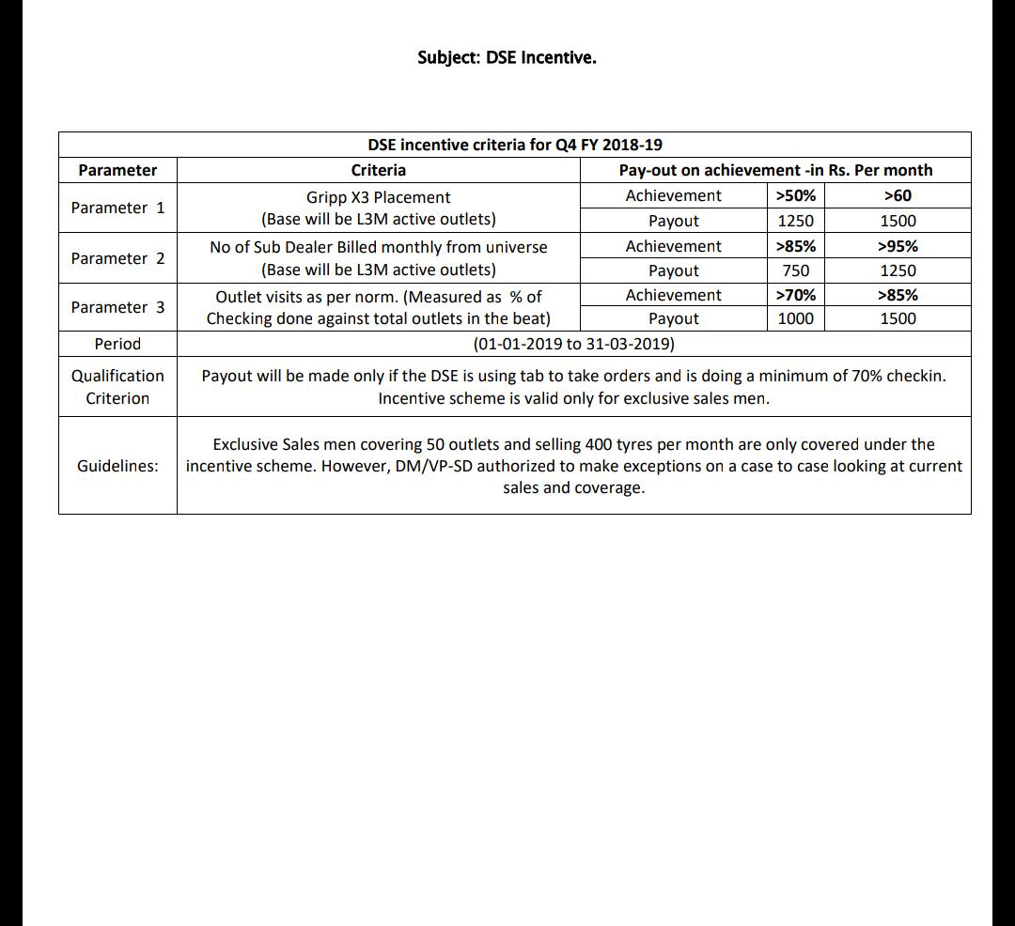

 | Name of DT | Name of DSE | GX3 Billed to SD (L3M) | GX3 Billed So far( SD counts) | No of SDs Billed SO far | Total Outlets Visits till date | Total Outlets actually Visited | Qualified
 | Milan Auto Distributors | Shivkumar | 76 | 42 | 59 | 86 | 69 | Yes/No

